PelAC T&S claim form
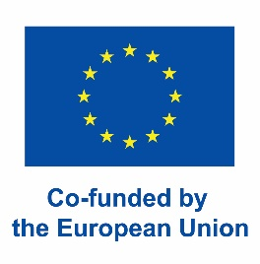
 | PELAGIC ADVISORY COUNCIL
 | Travel and subsistence claim

• Participants must submit a signed claim form within 30 calendar days of the meeting date to m.barbosa@pelagic-ac.org
• The participant shall be entitled to the reimbursement of their travel expenses from work or home address to the place of the meeting, by the most appropriate means of transport given the distance involved. In accordance with the rules described below under Travel Costs.
• Travel expenses shall be reimbursed on presentation of supporting documents: invoices, tickets or a copy of the electronic reservations. The documents supplied must show the class of travel used, the time of travel and the amount paid.
• All reimbursements are subject to budget availability.
• All payments will be made in EUR.
• In case of a dispute, the Secretariat has the final say.
• For detailed Rules of Procedure for Travel Expenses please visit www.pelagic-ac.org
 |  |  |  | * please complete grey sections
GENERAL INFORMATION
Name of participant
Organisation represented
Name of meeting
Meeting location
Meeting date

TRAVEL COSTS
• Reimbursement of flight tickets is limited to a maximum of EUR700, but please state your full costs.
• Methods of travel reimbursed are: plane, train, and car (incl. parking, least expensive option, and toll).
• Methods of travel NOT reimbursed are: taxi and rental cars.
• Car allowance: EUR 0,22 per km.
Date of travel | Method of travel | Destination(s) | Amount in other currency (please state) | Amount in EUR

Total travel costs |  |  |  | € 0.00

ACCOMMODATION AND SUBSISTENCE DAILY ALLOWANCE
• Subsistence daily allowance is a flat rate to cover all expenditure at the place where the meeting is held, including for example meals and local transport (bus, tram, metro, taxi), as well as travel and accident insurance.
• Subsistence daily allowance will be reduced by 50% where the distance between the official address of the member organisation or home address is less than 100 km from the meeting venue.
• If you have to stay overnight at the destination of the meeting, because the meeting times are incompatible with the times of flights/trains, you are also entitled to accommodation allowance. The number of nights claimed may never exceed the number of meeting days attended +1. An extra night (+1) will only be reimbursed in exceptional cases where proof is provided that the meeting end time is incompatible with return transport on the same day.
• Accommodation allowance according to the rates of the country where the meeting was held, as outlined in:
Commission guidance on the use of unit costs for travel, accommodation and subsistence costs under an action or work programme
Description |  | Number of meeting days attended | Allowance Daily Rate | Total
Subsistence allowance (no provided meals) |  | 0 | €92.00 | € 0.00
Subsistence allowance (1 provided meal) |  | 0 | €65.00 | € 0.00
Total Subsistence allowance |  |  |  | € 0.00
Description |  | Number of accommodation nights | Accomodation allowance per night | Total
Accommodation allowance |  | 0 | €- | € 0.00
Allowances Total |  |  |  | € 0.00

TOTAL ALLOWANCE (to be filled out by Secretariat)
Travel total |  | Subsistence total |  | Final total
€ 0.00 |  | € 0.00 |  | € 0.00

BANKING DETAILS BENEFICIARY
Name / Company
Address
Name of bank
Address of bank
IBAN number
BIC or SWIFT code
Reimbursements will only be paid to the bank account of the participant's organisation. Requests for payment into an alternative account must be supported by a letter of authorisation from the participant's organisation.

DECLARATION BY CLAIMANT
I have read and followed the PELAC rules regarding travel and subsistence claim. I declare that all costs claimed have been incurred as part of my participation in or on behalf of the PelAC as identified above. I certify that these particulars are accurate and that I have not received and shall not receive similar reimbursement. Receipts have been provided to support all costs being claimed.
Signature claimant |  |  | Signature PELAC
Date |  |  | Approval date

Accommodation amounts
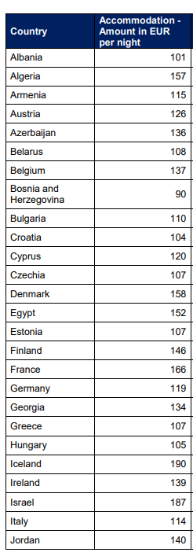
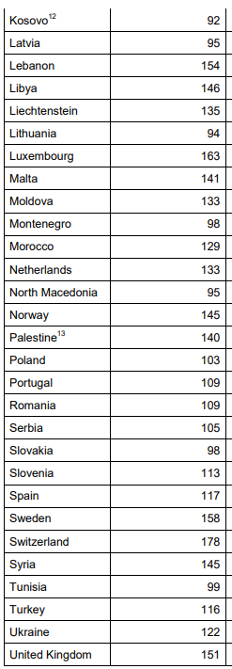
Accommodation amounts per night per country where the meeting was held, as per:
Commission guidance on the use of unit costs for travel, accommodation and subsistence costs under an action or work programme

